Data
loads | cycles | censor
135 | 2728277 | 1
125 | 4132143 | 1
125 | 5000146 | 0
135 | 5000145 | 0
146 | 3709719 | 1
135 | 5000146 | 0
146 | 5000142 | 0
158 | 1101795 | 1
146 | 5000145 | 0
158 | 2262368 | 1
146 | 2774410 | 1
135 | 5000146 | 0
146 | 5000143 | 0
158 | 2835086 | 1
146 | 5000147 | 0
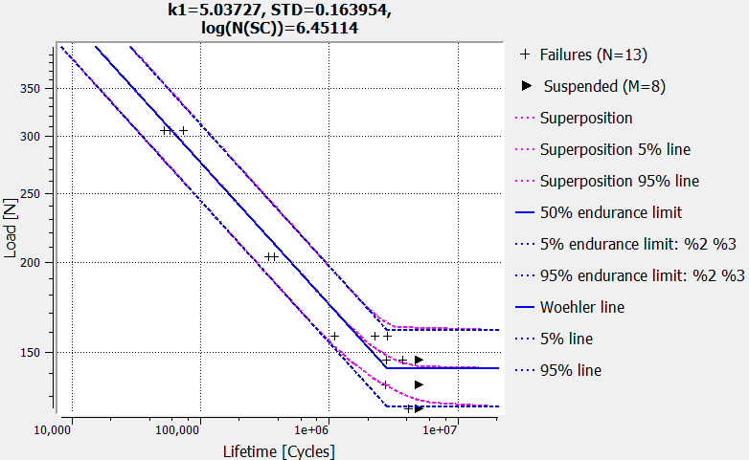
204 | 340122 | 1
204 | 374322 | 1
306 | 52325 | 1
306 | 58017 | 1
306 | 73834 | 1
204 | 372789 | 1

Jurojin_results
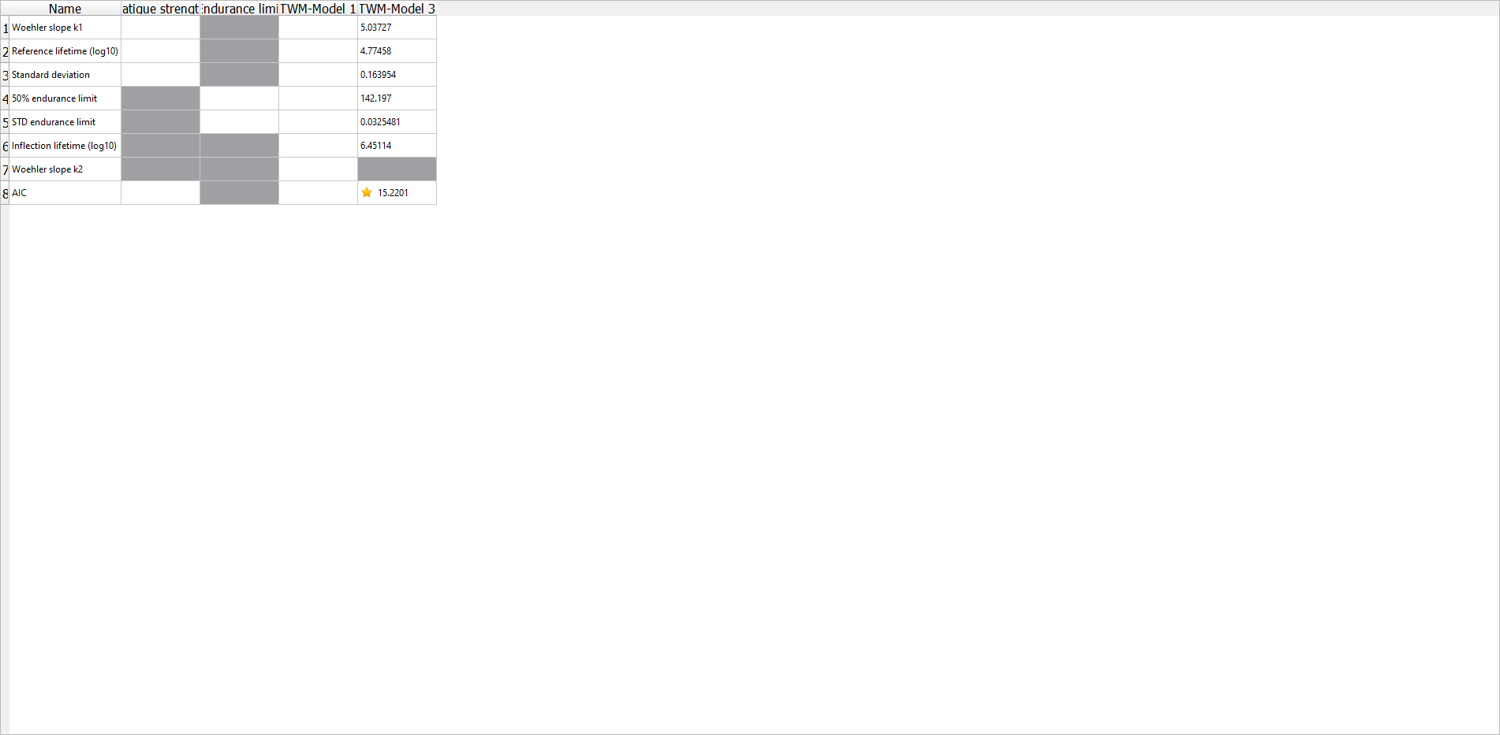
k | 5
ND | 2825790.7554
Pü50 | 142
slog | 0.033

